Model Type
Image Based
Date | Model Type | Project Title | Data | Cites | Comments | Github Link or Architecture
2023 | Contrastive | A brief review of contrastive learning applied to astrophysics | DESI | 6 | Survey paper of various contrastive learning algorithms | n/a; review work
2011 | Weak Gated Experts | Astroinformatics of galaxies and quasars: a new general method for photometric redshifts estimation | GALEX/SDSS | 68 | interesting approach to redshift estimation | WGE: Fuzzy-Kmeans -> Experts -> NN -> Output Node Optical Photometry: clustered 4D feature space -> train single expert on each cluster -> gating network combines distinct outputs redshifts of quasars with optical photometry: 4D clustering -> experts trained on 8D features space generated by 4 colors -> rest similar to first experiment (.15 for fuzzy clustering) redshift and uv: seems like a similar experiment as others except 6 uncertainties from 5 SDSS optical filters and 2 uv filters
2023 | cross-modal contrastive learning | AstroCLIP: Cross-Modal Pre-Training for Astronomical Foundation Models | DESI | 6 | multi-band imaging and optical spectra
2021 | CNN attention | Attention-gating for improved radio galaxy classification | VLA FIRST | 36 | based on SonoNet algorithm
2017 | transfer | Classification of Astronomical Bodies by Efficient Layer Fine-Tuning of Deep Neural Networks | SDSS | 10 | uses g, i, r, and z; tried multiple transfer models
2021 | CNN | CLASSIFYING RADIO GALAXIES WITH CONVOLUTIONAL NEURAL NETWORKS | VLA FIRST | 175
2023 | CNN denoising autoencoder | Convolutional Deep Denoising Autoencoder for Radio Astronomical Images | LOFAR HBA | 28 | has "clean" images and "dirty" images
2018 | NN/DT | Deep Learning Approach to Photometric Redshift Estimation | SDSS | not found | subset of SDSS 50000
2021 | CNN self-supervised learning | Deep learning based detection of cosmological diffuse radio sources | LOFAR/SKA | 42 | generated some training data
2021 | CNN | Fanaroff-Riley classification of radio galaxies using group-equivariant convolutional neural networks | SDSS/MiraBest/VLA | 40 | LeNet-Style
2008 | ViT | Galaxy Morphological Classification with Efficient Vision Transformer | SDSS | 8 | galaxy zoo; g, r, i filters; Linformer
2017 | n/a | Gravity Spy: Integrating Advanced LIGO Detector Characterization, Machine Learning, and Citizen Science | LIGO | 341
2019 | varies | Machine Learning for the Zwicky Transient Facility | ZTF | 135 | uses g, r, i, and z bandpasses
2021 | MLP | New Approaches to Object Classification in Synoptic Sky Surveys | PALOMER-QUEST | 28 | based on MLPQNA; 4 different surveys
2013 | Generative (NN and Physics layer) | ParSNIP: Generative Models of Transient Light Curves with Physics-Enabled Deep Learning | Pan-STARRS/PLAsTiCC | 25 | subset of SDSS; uses XAI
2022 | NN | Photometric redshifts for Quasars in multi band Surveys | SDSS/GALEX/UKIDSS/WISE | 109 | 100 labelled, 5000 unlabelled
2021 | capsule network | Photometric Redshifts from SDSS Images with an Interpretable Deep Capsule Network | SDSS | 14 | uses FIRST, FR-DEEP NVSS datasets
2021 | GAN | Pulsar Candidate Identification Using Semi-Supervised Generative Adversarial Networks | HTRS | 24 | Mirabest dataset; uses BYOL algorithm
2023 | variational autoencoder | Radio Galaxy Zoo: Leveraging latent space representations from variational autoencoders | VLA | not found | two downstream tasks
2023 | contrastive | Radio Galaxy Zoo: Towards building the first multi-purpose foundation model for radio astronomy with self-supervised learning | VLA | 7 | 42 million images
2021 | Contrastive | Self-Supervised Representation learning for Astronomical Images | SDSS/Galaxy Zoo 2 | 36
2018 | CNN self-supervised learning | Self-supervised similarity search for large scientific datasets | DESI | 10 | BYOL; hybrid model
2022 | ANN, Boosting | Separation of pulsar signals from noise using supervised machine learning algorithms | HTRU-S | 1 | 5000 galaxies for redshift
2019 | contrastive | Towards Galaxy Foundation Models with Hybrid Contrastive Learning | SDSS/GZ | 14 | use a real/bogus classifier
2021 | DL transfer | Transfer learning for galaxy morphology from one survey to another | SDSS/DESI | 83 | seems to be more of a survey of LIGO glitches and the Gravity Spy project
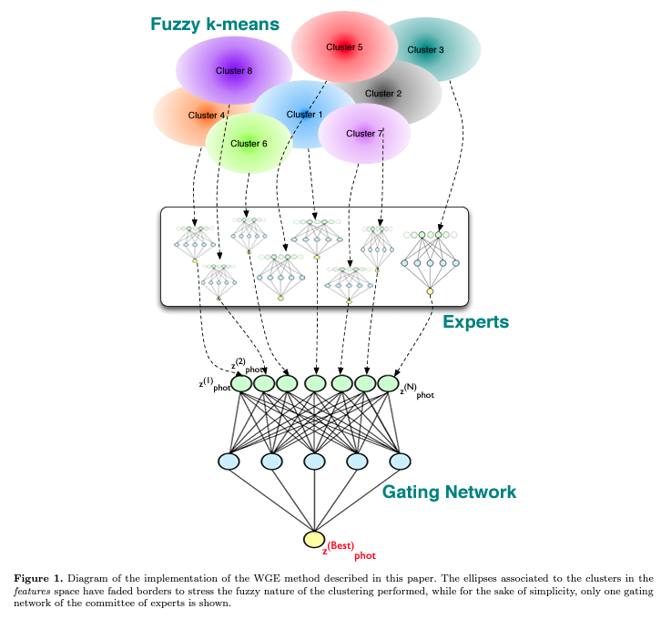
2019 | transfer | Transfer learning for radio galaxy classification | VLA | 60 | from NVSS and FIRST

Tabular/Sequential
Date | Model Type | Project Title | Data | Cites | Comments
2017 | Convolutional Neural Network | Deep-Learnt Classification of Light Curves |  | 51 | can be used for transfer learning
2022 | transformer | A transformer-based embedding for the representation of light curves | MACHO/OGLE-III/ATLAS | 9 | for light curves

 |  |  |  |  |  |  | from Astroinformatics of galaxies and quasars: a new general method for photometric redshifts estimation
Uncertainty Quantification
Date | Technique/Models | Project Title | Data | Cites | Comments
2022 | bayesian inference? | Quantifying Uncertainty in Deep Learning Approaches to Radio Galaxy Classification | VLA/SDSS | 18 | used MiraBest, FIRST; used for infering on NN and CNN's
2020 | Deep Probabilistic Imaging (DPI) | Deep Probabilistic Imaging: Uncertainty Quantification and Multi-modal Solution Characterization for Computational Imaging | toy example | 62 | uses generative model for posterior distribution
2021 | gaussian variational approximation | Weight Pruning and Uncertainty in Radio Galaxy Classification | SDSS/VLA | 2 | uses MiraBest and Northern VLA Sky Survey; may be other but do not seem super relevant

